Dashboard
Customer Analysis Dashboard
Overall Feedback
BY ANIKET SHARMA
Hotel Guest Feedback
 | 3.7
 | 1.3
General Rating
3.7
 | 3.7 | 1.3
 | Total
Facility | 2.9
Staff | 3.8
Restaurant | 3.0
Facility | 3.3
Room | 3.0
Room | 3.6
Staff | 3.6
Restaurant | 1.8

 | Total
Business | 256
Other | 47
Vacation | 205

Female | 42%
Male | 58%
Female | 42%
Male | 58%

42%
58%

Net Promoter Score

Source of information

Detractor
Passives
Promoters
Source Trend
149
118
241
 | Total
Organization | 227
hotel booking sites | 93
Word of mouth | 59
Search engine | 56
Internet advertisement | 41
Television advertisement | 24
News paper | 8
 | hotel booking sites | Internet advertisement | News paper | Organization | Search engine | Television advertisement | Word of mouth
Jan | 9 |  |  | 23 | 6 | 1 | 5
Feb | 10 | 5 | 2 | 22 | 6 |  | 1
Mar | 9 | 4 |  | 18 | 3 | 3 | 4
Apr | 5 | 1 |  | 13 | 4 | 3 | 4
May | 12 | 3 | 1 | 14 | 5 | 3 | 5
Jun | 5 | 2 | 1 | 19 | 4 | 1 | 10
Jul | 7 | 2 |  | 22 | 3 | 4 | 7
Aug | 8 | 5 | 1 | 21 | 4 | 1 | 3
Sep | 12 | 8 | 1 | 19 | 8 | 2
Oct | 5 | 2 |  | 22 | 6 | 3 | 7
Nov | 8 | 3 | 1 | 22 | 2 | 1 | 6
Dec | 3 | 6 | 1 | 12 | 5 | 2 | 7
29%
23%
47%

 | 180 | 265.55401575
 | 18 | 4
 | 18 | 90.445984252
 | 18
 | 18
 | 18
 | 18
 | 18
 | 18
 | 18
 | 18
-20
0
20
-40
40

-60
60

-80
-2.8
80

-100
100

Colors for dashboard
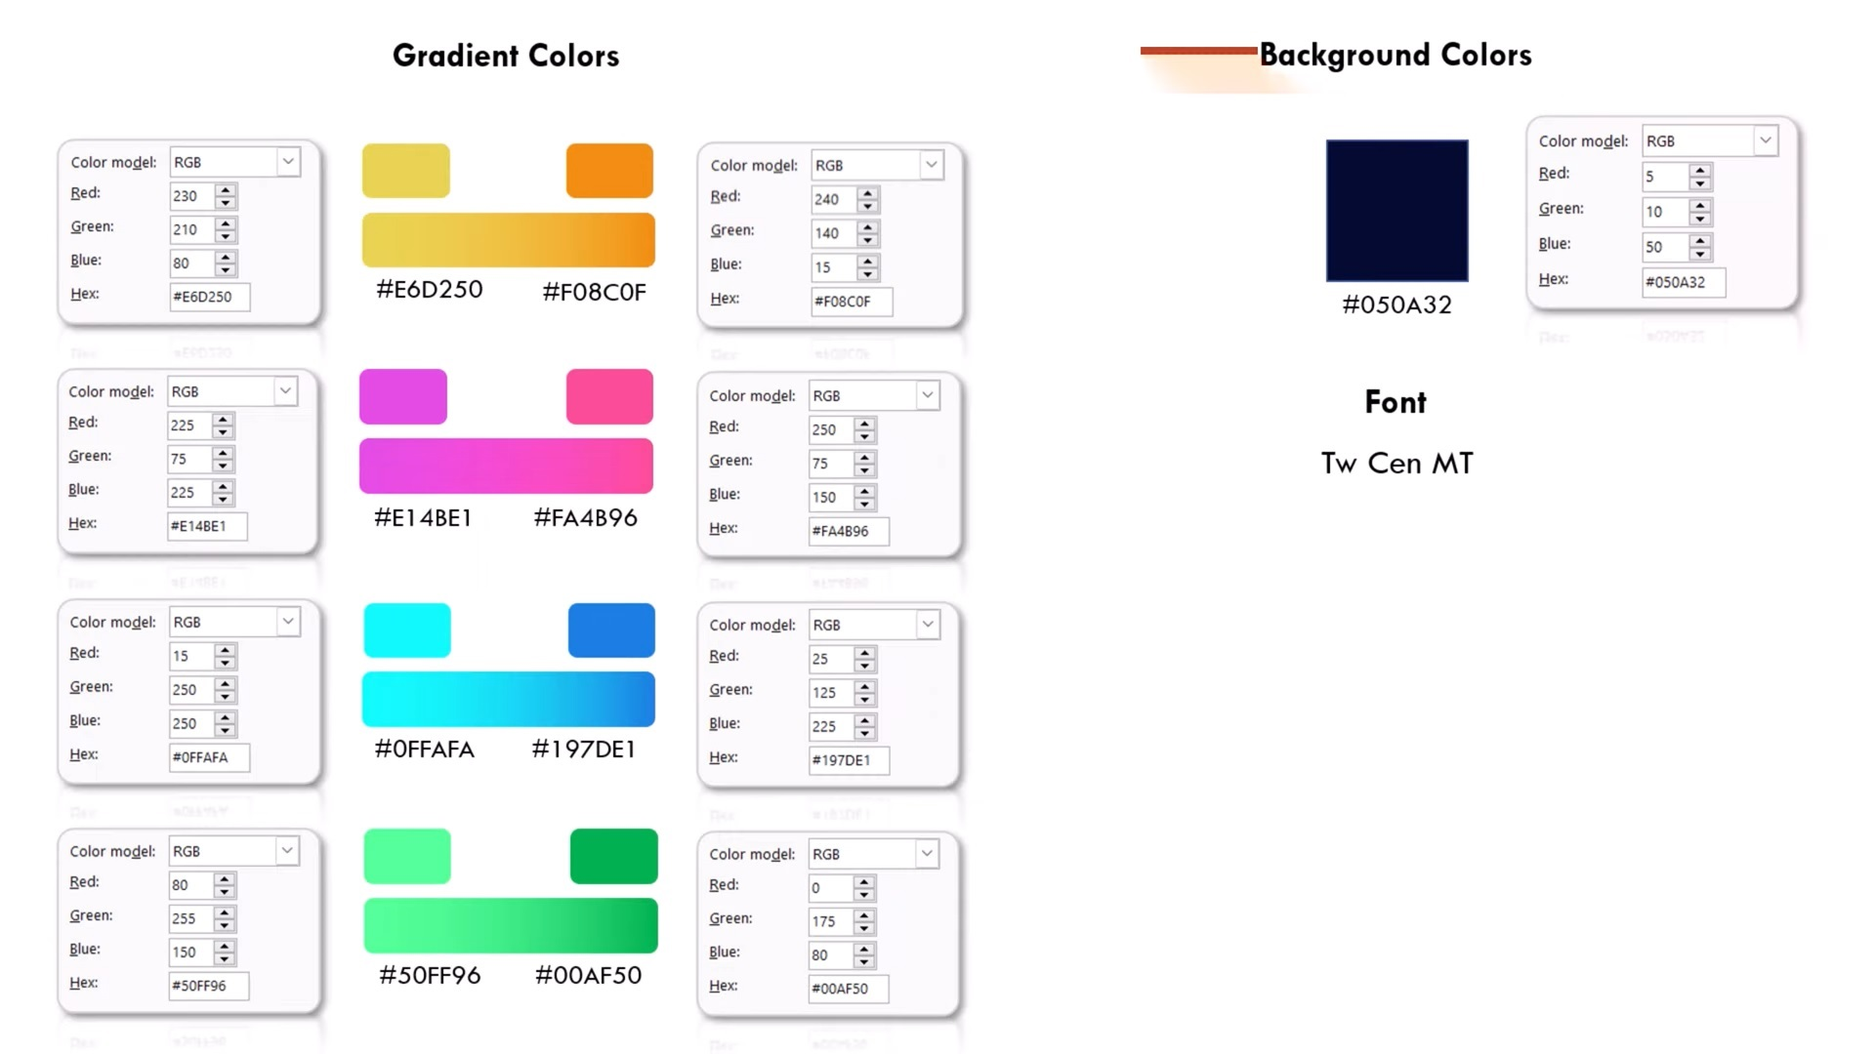
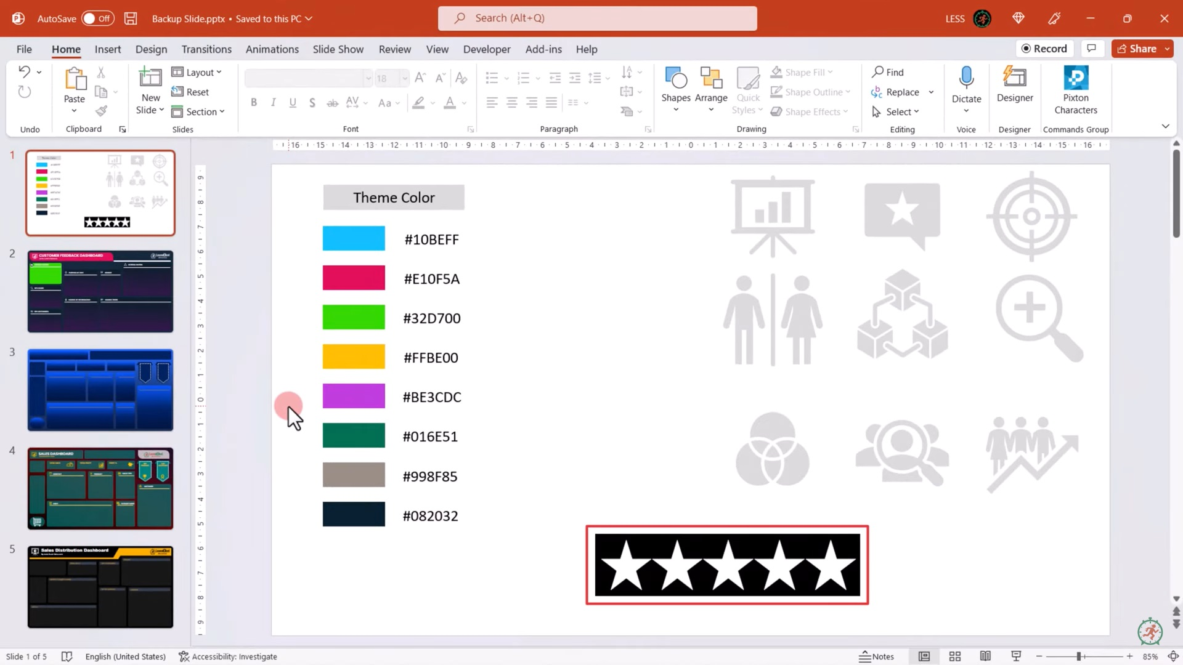

 |  |  | #050A32

 |  |  | #F08C0F
 |  |  |  | #10BEFF
 |  |  |  | #E10F5A
 |  |  |  | #32D700
 |  |  |  | #FFBE00
 |  |  |  | #BE3CDC
 |  |  |  | #016E51
 |  |  |  | #998F85
 |  |  |  | #082032
Color for Dashboard Design

blue | #0FFAFA | #197DE1
pink | #E14BE1 | #FA4B96

Green | #50FF96 | #00AF50

Analysis
Average of Overall Experience |  | Row Labels | Count of Overall Experience |  | Row Labels | Count of NPS Category | % |  |  | NPS Category | Count of NPS Category | % |  |  |  | Row Labels | Count of Source | Row Labels | Count of Purpose | Count of Source | Column Labels
3.7 |  | Female | 211.0 |  | Detractor | 149.0 | 29% |  |  | Detractor | 149 | 29% |  |  |  | Organization | 227 | Business | 256 | Row Labels | hotel booking sites | Internet advertisement | News paper | Organization | Search engine | Television advertisement | Word of mouth | Grand Total
 |  | Male | 297.0 |  | Passives | 118.0 | 14% |  |  | Passives | 118 | 23% |  |  |  | hotel booking sites | 93 | Other | 47 | 2022
 |  | Grand Total | 508.0 |  | Promoters | 241.0 | 32% |  |  | Promoters | 241 | 47% |  |  |  | Word of mouth | 59 | Vacation | 205 | Jan | 9 |  |  | 23 | 6 | 1 | 5 | 44
Star Rating |  |  |  |  | Grand Total | 508.0 |  |  |  | NPS Score |  | 18.11023622 |  |  |  | Search engine | 56 | Grand Total | 508 | Feb | 10 | 5 | 2 | 22 | 6 |  | 1 | 46
Total | 3.7 |  |  |  |  |  |  |  |  |  |  |  |  |  |  | Internet advertisement | 41 |  |  | Mar | 9 | 4 |  | 18 | 3 | 3 | 4 | 41
Balance | 1.3 | Female | 211 | 42% |  |  |  |  |  |  |  |  |  |  |  | Television advertisement | 24 |  |  | Apr | 5 | 1 |  | 13 | 4 | 3 | 4 | 30
 |  | Male | 297 | 58% | NPS Category | Count of NPS Category | % |  |  |  |  |  |  | Row Labels | Average of Rating_Range | News paper | 8 | Total | 0 | May | 12 | 3 | 1 | 14 | 5 | 3 | 5 | 43
 |  |  |  |  | Detractor | 149 | 29% |  | 100% |  |  |  |  | Broadband & TV |  | Grand Total | 508 |  |  | Jun | 5 | 2 | 1 | 19 | 4 | 1 | 10 | 42
 |  |  |  |  | Passives | 118 | 23% |  |  |  |  |  |  | Facility | 2.9 |  |  |  |  | Jul | 7 | 2 |  | 22 | 3 | 4 | 7 | 45
 |  |  |  |  | Promoters | 241 | 47% |  |  |  |  |  | , | Check-in Process |  |  |  |  |  | Aug | 8 | 5 | 1 | 21 | 4 | 1 | 3 | 43
 |  |  |  |  | NPS Score |  | -2.8 |  |  |  |  |  |  | Staff | 3.8 |  |  |  |  | Sep | 12 | 8 | 1 | 19 | 8 | 2 |  | 50
 |  |  |  |  | NPS Score: (percentage of promoters - percentage of detractors)*100 |  |  |  |  |  |  |  |  | Food quality |  |  |  |  |  | Oct | 5 | 2 |  | 22 | 6 | 3 | 7 | 45
 |  |  |  |  |  |  |  |  |  |  |  |  |  | Restaurant | 3.0 |  |  |  |  | Nov | 8 | 3 | 1 | 22 | 2 | 1 | 6 | 43
 |  |  |  |  | conversion |  | -2.4 | N12*(90-(4/2))/100 |  |  |  |  |  | Gym |  |  |  |  |  | Dec | 3 | 6 | 1 | 12 | 5 | 2 | 7 | 36
 |  |  |  |  |  |  |  |  |  |  |  |  |  | Facility | 3.3 |  |  |  |  | Grand Total | 93 | 41 | 8 | 227 | 56 | 24 | 59 | 508
 |  |  |  |  | indicator | 265.6 | N15+(270-(4/2)) |  |  |  |  |  |  | Room cleanliness
 |  |  |  |  |  | 4 | Suppose the indicator is at 4 |  |  |  |  |  |  | Room | 3.0
 |  |  |  |  |  | 90.4 |  |  |  |  |  |  |  | Room service
 |  |  |  |  |  |  |  |  |  |  |  |  |  | Room | 3.6
 |  |  |  |  |  |  |  |  |  |  |  |  |  | Staff attitude
 |  |  |  |  |  |  |  |  |  |  |  |  |  | Staff | 3.6
 |  |  |  |  | Dail | 180 |  |  |  |  |  |  |  | Variety of food
 |  |  |  |  |  | 18 |  |  |  |  |  |  |  | Restaurant | 1.8
 |  |  |  |  |  | 18 |  |  |  |  |  |  |  | Grand Total | 3.1
 | hotel booking sites | Internet advertisement | News paper | Organization | Search engine | Television advertisement | Word of mouth
Jan | 9 |  |  | 23 | 6 | 1 | 5
Feb | 10 | 5 | 2 | 22 | 6 |  | 1
Mar | 9 | 4 |  | 18 | 3 | 3 | 4
Apr | 5 | 1 |  | 13 | 4 | 3 | 4
May | 12 | 3 | 1 | 14 | 5 | 3 | 5
Jun | 5 | 2 | 1 | 19 | 4 | 1 | 10
Jul | 7 | 2 |  | 22 | 3 | 4 | 7
Aug | 8 | 5 | 1 | 21 | 4 | 1 | 3
Sep | 12 | 8 | 1 | 19 | 8 | 2
Oct | 5 | 2 |  | 22 | 6 | 3 | 7
Nov | 8 | 3 | 1 | 22 | 2 | 1 | 6
Dec | 3 | 6 | 1 | 12 | 5 | 2 | 7
 |  |  |  |  |  | 18
 | Total
Facility | 2.9
Staff | 3.8
Restaurant | 3.0
Facility | 3.3
Room | 3.0
Room | 3.6
Staff | 3.6
Restaurant | 1.8
 |  |  |  |  |  | 18
 |  |  |  |  |  | 18
 |  |  |  |  |  | 18
 |  |  |  |  |  | 18
 |  |  |  |  |  | 18
 |  |  |  |  |  | 18
 |  |  |  |  |  | 18

